2500Hz
Auto | 2500 Hz
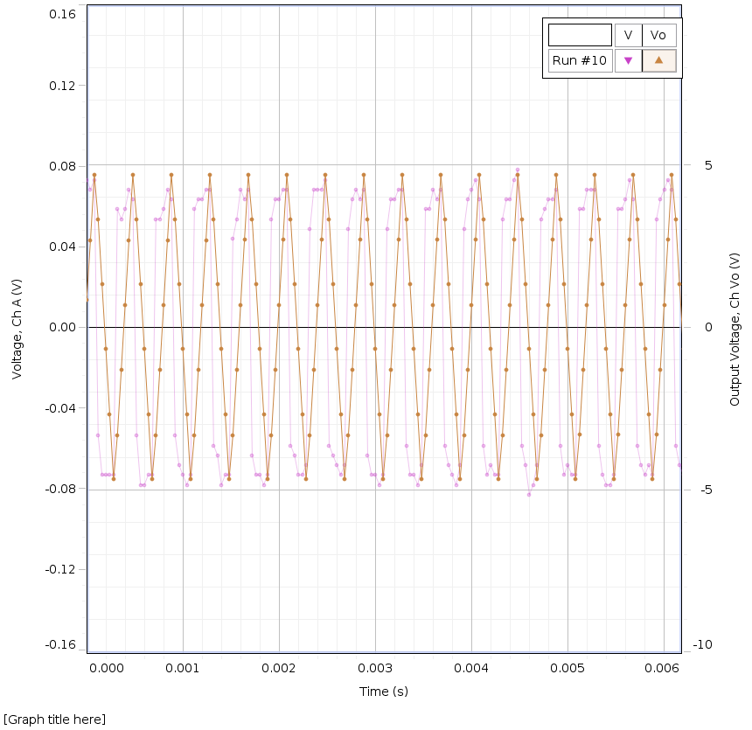
8.00E-05 | 0.073 | 4.692
0.00048 | 0.063 | 4.692
8.80E-04 | 0.063 | 4.692
1.28E-03 | 0.068 | 4.692
0.00168 | 0.068 | 4.692
2.08E-03 | 0.068 | 4.692
2.48E-03 | 0.073 | 4.692
0.00288 | 0.068 | 4.692
3.28E-03 | 0.068 | 4.692
3.68E-03 | 0.068 | 4.692
0.00408 | 0.063 | 4.697
4.48E-03 | 0.078 | 4.697
4.88E-03 | 0.068 | 4.697
0.00528 | 0.068 | 4.697
5.68E-03 | 0.063 | 4.697
6.08E-03 | 0.068 | 4.697
0.00648 | 0.068 | 4.697
6.88E-03 | 0.068 | 4.697
7.28E-03 | 0.063 | 4.697
0.00768 | 0.073 | 4.697

Sine
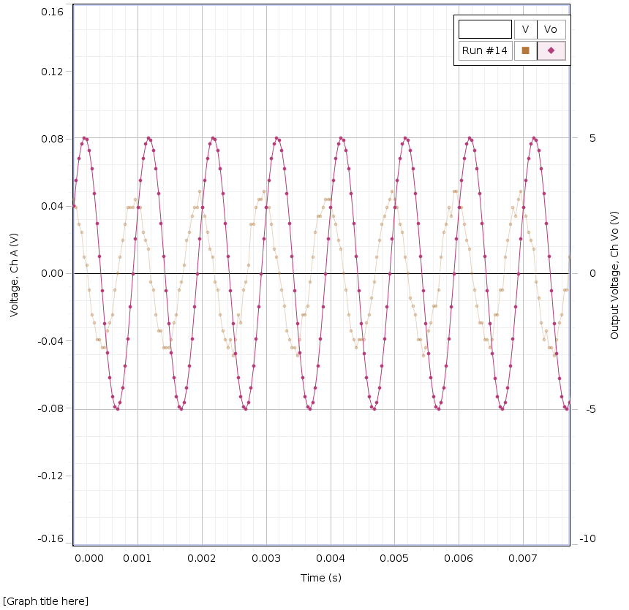
Auto | 1000 Hz
Time (s) | Induced EMF, Ch A (V) | Output Voltage (V)
0 | 0.044 | 2.485
4.00E-05 | 0.039 | 3.438
8.00E-05 | 0.029 | 4.238
1.20E-04 | 0.024 | 4.771
1.60E-04 | 0.01 | 5
0.0002 | 0.005 | 4.927
2.40E-04 | -0.01 | 4.536
2.80E-04 | -0.024 | 3.867
3.20E-04 | -0.029 | 2.949
3.60E-04 | -0.039 | 1.851
0.0004 | -0.039 | 0.63
4.40E-04 | -0.044 | -0.625
4.80E-04 | -0.044 | -1.836
5.20E-04 | -0.034 | -2.935
5.60E-04 | -0.029 | -3.848
0.0006 | -0.024 | -4.526
6.40E-04 | -0.01 | -4.907
6.80E-04 | 0 | -4.985
7.20E-04 | 0.01 | -4.751
7.60E-04 | 0.02 | -4.214
0.0008 | 0.029 | -3.418
8.40E-04 | 0.039 | -2.402
8.80E-04 | 0.039 | -1.23
9.20E-04 | 0.039 | -0.015
9.60E-04 | 0.044 | 1.27
0.001 | 0.039 | 2.422
1.04E-03 | 0.039 | 3.438
1.08E-03 | 0.024 | 4.238
1.12E-03 | 0.02 | 4.771
1.16E-03 | 0.015 | 5
0.0012 | -0.005 | 4.922
1.24E-03 | -0.01 | 4.536
1.28E-03 | -0.024 | 3.867
1.32E-03 | -0.034 | 2.949
1.36E-03 | -0.034 | 1.851
0.0014 | -0.044 | 0.63
1.44E-03 | -0.044 | -0.625
1.48E-03 | -0.044 | -1.836
1.52E-03 | -0.039 | -2.935
1.56E-03 | -0.029 | -3.848
0.0016 | -0.024 | -4.526
1.64E-03 | -0.01 | -4.907
1.68E-03 | -0.005 | -4.985
1.72E-03 | 0.005 | -4.751
1.76E-03 | 0.02 | -4.214
0.0018 | 0.024 | -3.418
1.84E-03 | 0.034 | -2.402
1.88E-03 | 0.039 | -1.226
1.92E-03 | 0.039 | -0.015
1.96E-03 | 0.049 | 1.27
0.002 | 0.039 | 2.422
2.04E-03 | 0.034 | 3.438
2.08E-03 | 0.024 | 4.238
2.12E-03 | 0.015 | 4.771
2.16E-03 | 0.01 | 5.005
0.0022 | -0.005 | 4.927
2.24E-03 | -0.01 | 4.536
2.28E-03 | -0.024 | 3.867
2.32E-03 | -0.034 | 2.949
2.36E-03 | -0.039 | 1.846
0.0024 | -0.044 | 0.63
2.44E-03 | -0.039 | -0.625
2.48E-03 | -0.049 | -1.836
2.52E-03 | -0.039 | -2.939
2.56E-03 | -0.024 | -3.848
0.0026 | -0.029 | -4.526
2.64E-03 | -0.01 | -4.907
2.68E-03 | -0.005 | -4.985
2.72E-03 | 0.005 | -4.751
2.76E-03 | 0.029 | -4.209
0.0028 | 0.029 | -3.418
2.84E-03 | 0.039 | -2.402
2.88E-03 | 0.044 | -1.23
2.92E-03 | 0.044 | -0.015
2.96E-03 | 0.049 | 1.27
0.003 | 0.039 | 2.422
3.04E-03 | 0.039 | 3.442
3.08E-03 | 0.029 | 4.238
3.12E-03 | 0.015 | 4.771
3.16E-03 | 0.01 | 5.005
0.0032 | 0 | 4.922
3.24E-03 | -0.01 | 4.536
3.28E-03 | -0.02 | 3.862
3.32E-03 | -0.034 | 2.949
3.36E-03 | -0.039 | 1.846
0.0034 | -0.044 | 0.625
3.44E-03 | -0.044 | -0.625
3.48E-03 | -0.049 | -1.836
3.52E-03 | -0.039 | -2.935
3.56E-03 | -0.024 | -3.848
0.0036 | -0.024 | -4.526
3.64E-03 | -0.02 | -4.907
3.68E-03 | -0.005 | -4.985
3.72E-03 | 0.01 | -4.751
3.76E-03 | 0.024 | -4.209
0.0038 | 0.034 | -3.418
3.84E-03 | 0.034 | -2.402
3.88E-03 | 0.039 | -1.226
3.92E-03 | 0.044 | -0.015
3.96E-03 | 0.044 | 1.274

Square
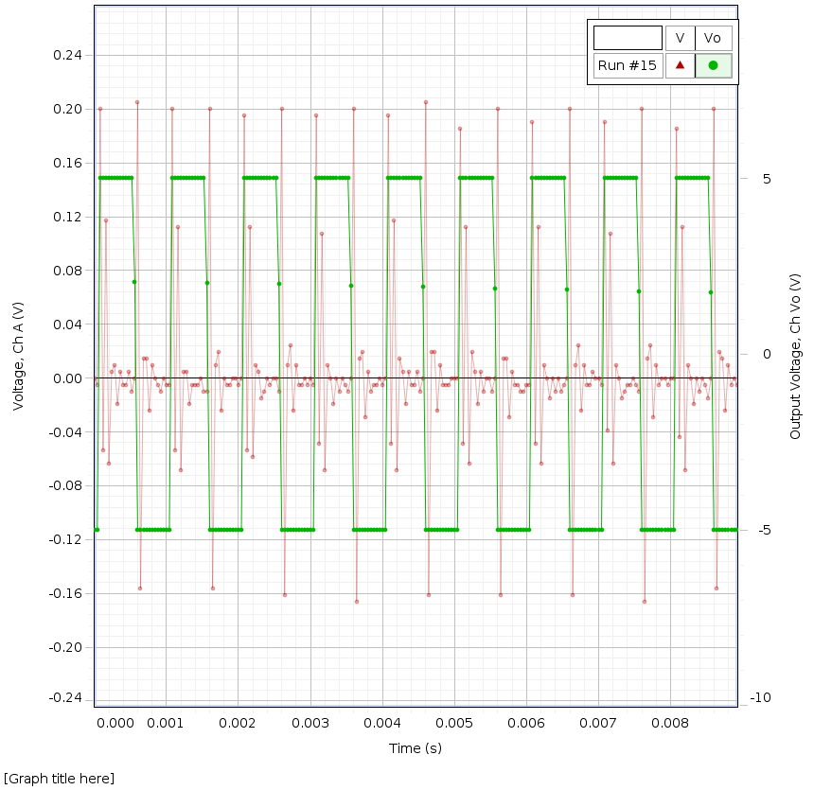
Auto | 1000 Hz
Time (s) | Induced EMF, Ch A (V) | Output Voltage (V)
0 | 0 | -4.995
4.00E-05 | -0.005 | -4.995
8.00E-05 | 0.2 | 5.015
1.20E-04 | -0.054 | 5.01
0.00016 | 0.117 | 5.01
2.00E-04 | -0.063 | 5.01
2.40E-04 | 0.005 | 5.01
2.80E-04 | 0.01 | 5.01
0.00032 | -0.02 | 5.015
3.60E-04 | 0.005 | 5.01
4.00E-04 | -0.005 | 5.015
4.40E-04 | -0.005 | 5.01
0.00048 | 0.005 | 5.01
5.20E-04 | -0.01 | 5.01
5.60E-04 | 0 | 2.07
6.00E-04 | 0.205 | -4.995
0.00064 | -0.156 | -4.995
6.80E-04 | 0.015 | -4.995
7.20E-04 | 0.015 | -4.995
7.60E-04 | -0.024 | -4.995
0.0008 | 0.01 | -4.995
8.40E-04 | 0 | -4.995
8.80E-04 | -0.005 | -4.995
9.20E-04 | -0.01 | -4.995
0.00096 | 0 | -4.995
1.00E-03 | -0.005 | -4.995
1.04E-03 | -0.005 | -4.995
1.08E-03 | 0.2 | 5.01
0.00112 | -0.054 | 5.01
1.16E-03 | 0.112 | 5.01
1.20E-03 | -0.068 | 5.01
1.24E-03 | 0.005 | 5.01
0.00128 | 0.005 | 5.01
1.32E-03 | -0.02 | 5.01
1.36E-03 | -0.005 | 5.015
1.40E-03 | -0.005 | 5.015
0.00144 | -0.005 | 5.01
1.48E-03 | 0 | 5.01
1.52E-03 | -0.01 | 5.01
1.56E-03 | -0.01 | 2.031
0.0016 | 0.2 | -4.995
1.64E-03 | -0.156 | -4.995
1.68E-03 | 0.01 | -4.995
1.72E-03 | 0.02 | -4.995
0.00176 | -0.024 | -4.995
1.80E-03 | 0 | -4.995
1.84E-03 | -0.005 | -4.995
1.88E-03 | -0.005 | -4.995
0.00192 | 0 | -4.995
1.96E-03 | 0 | -4.995
2.00E-03 | -0.005 | -4.995
2.04E-03 | 0 | -4.995
0.00208 | 0.195 | 5.01
2.12E-03 | -0.054 | 5.01
2.16E-03 | 0.112 | 5.01
2.20E-03 | -0.059 | 5.01
0.00224 | 0.01 | 5.01
2.28E-03 | 0.005 | 5.01
2.32E-03 | -0.015 | 5.01
2.36E-03 | -0.01 | 5.01
0.0024 | 0 | 5.01
2.44E-03 | -0.005 | 5.01
2.48E-03 | 0 | 5.01
2.52E-03 | 0 | 5.01
0.00256 | -0.01 | 1.997
2.60E-03 | 0.2 | -4.995
2.64E-03 | -0.161 | -4.995
2.68E-03 | 0.01 | -4.995
0.00272 | 0.024 | -4.995
2.76E-03 | -0.024 | -4.995
2.80E-03 | 0.01 | -4.995
2.84E-03 | -0.005 | -4.995
0.00288 | -0.005 | -4.995
2.92E-03 | 0 | -4.995
2.96E-03 | -0.005 | -4.99
3.00E-03 | 0 | -4.995
0.00304 | -0.005 | -4.995
3.08E-03 | 0.195 | 5.01
3.12E-03 | -0.049 | 5.01
3.16E-03 | 0.107 | 5.01
0.0032 | -0.068 | 5.01
3.24E-03 | 0.01 | 5.015
3.28E-03 | 0 | 5.01
3.32E-03 | -0.02 | 5.01
0.00336 | 0 | 5.01
3.40E-03 | -0.01 | 5.015
3.44E-03 | 0 | 5.01
3.48E-03 | -0.005 | 5.015
0.00352 | -0.01 | 5.01
3.56E-03 | 0 | 1.948
3.60E-03 | 0.2 | -4.995
3.64E-03 | -0.166 | -4.995
0.00368 | 0.015 | -4.995
3.72E-03 | 0.02 | -4.995
3.76E-03 | -0.029 | -4.995
3.80E-03 | 0.005 | -4.995
0.00384 | -0.01 | -4.995
3.88E-03 | -0.005 | -4.995
3.92E-03 | -0.005 | -4.995
3.96E-03 | 0 | -4.995

Sheet1
 | 1000 |  | 1500 |  | 2000 |  | 2500 |  | 3000 |  | sin | square
avergae | 0.028705882353 | 4.6115 | 0.040823529412 | 4.52265 | 0.0583875 | 4.4710869565 | 0.064317647059 | 4.6945 | 0.081882352941 | 4.51375 | 0.041380952381 | 0.199375
 | 0.034 | 4.653 | 0.039 | 4.966 | 0.063 | 4.277 | 0.073 | 4.692 | 0.063 | 4.668 | 0.044 | 0.2
 | 0.039 | 4.57 | 0.034 | 4.253 | 0.063 | 4.946 | 0.068 | 4.692 | 0.068 | 4.858 | 0.039 | 0.205 |  | emf | voltage | emf/V
 | 0.029 | 4.653 | 0.044 | 4.57 | 0.059 | 4.146 | 0.073 | 4.692 | 0.088 | 4.36 | 0.039 | 0.2 | 1000 | 0.028705882353 | 4.6115 | 0.0062248470894
 | 0.034 | 4.57 | 0.039 | 4.653 | 0.059 | 4.277 | 0.059 | 4.692 | 0.093 | 4.165 | 0.039 | 0.2 | 1500 | 0.040823529412 | 4.52265 | 0.0090264622316
 | 0.029 | 4.653 | 0.039 | 4.17 | 0.059 | 4.946 | 0.054 | 4.692 | 0.098 | 4.668 | 0.039 | 0.195 | 2000 | 0.0583875 | 4.4710869565 | 0.013058905042
 | 0.024 | 4.57 | 0.044 | 4.966 | 0.054 | 4.15 | 0.059 | 4.692 | 0.093 | 4.858 | 0.044 | 0.2 | 2500 | 0.064317647059 | 4.6945 | 0.013700638419
 | 0.034 | 4.653 | 0.039 | 4.258 | 0.054 | 4.277 | 0.068 | 4.692 | 0.068 | 4.365 | 0.039 | 0.195 | 3000 | 0.081882352941 | 4.51375 | 0.018140648672
 | 0.024 | 4.57 | 0.044 | 4.57 | 0.063 | 4.946 | 0.063 | 4.692 | 0.088 | 4.165 | 0.039 | 0.2 | sine | 0.041380952381
 | 0.029 | 4.653 | 0.039 | 4.653 | 0.054 | 4.15 | 0.054 | 4.692 | 0.083 | 4.668 | 0.039 |  | square | 0.199375
 | 0.029 | 4.57 | 0.039 | 4.17 | 0.059 | 4.277 | 0.054 | 4.692 | 0.093 | 4.858 | 0.039
 | 0.024 | 4.658 | 0.044 | 4.966 | 0.059 | 4.951 | 0.059 | 4.697 | 0.083 | 4.365 | 0.049
 | 0.029 | 4.57 | 0.039 | 4.258 | 0.059 | 4.15 | 0.068 | 4.697 | 0.093 | 4.165 | 0.039
 | 0.029 | 4.658 | 0.034 | 4.565 | 0.054 | 4.272 | 0.063 | 4.697 | 0.059 | 4.663 | 0.039
 | 0.034 | 4.565 | 0.039 | 4.658 | 0.054 | 4.951 | 0.059 | 4.697 | 0.078 | 4.863 | 0.044
 | 0.029 | 4.653 | 0.044 | 4.165 | 0.059 | 4.15 | 0.063 | 4.697 | 0.093 | 4.365 | 0.044
 | 0.024 | 4.565 | 0.039 | 4.966 | 0.054 | 4.272 | 0.063 | 4.697 | 0.088 | 4.165 | 0.049
 | 0.029 |  | 0.039 | 4.258 | 0.059 | 4.951 | 0.068 | 4.697 | 0.088 | 4.663 | 0.039
 | 0.029 |  | 0.049 | 4.565 | 0.059 | 4.15 | 0.068 | 4.697 | 0.088 | 4.863 | 0.039
 | 0.039 |  | 0.044 | 4.658 | 0.059 | 4.272 | 0.054 | 4.697 | 0.068 | 4.37 | 0.039
 | 0.029 |  | 0.039 | 4.165 | 0.059 | 4.951 | 0.068 | 4.697 | 0.078 | 4.16 | 0.044
 | 0.029 |  | 0.039 |  | 0.063 | 4.15 | 0.063 |  | 0.088 |  | 0.044
 | 0.029 |  | 0.039 |  | 0.059 | 4.272 | 0.068 |  | 0.088
 | 0.024 |  | 0.039 |  | 0.063 | 4.951 | 0.054 |  | 0.088
 | 0.024 |  | 0.039 |  | 0.054 |  | 0.063 |  | 0.088
 | 0.034 |  | 0.039 |  | 0.059 |  | 0.063 |  | 0.068
 | 0.024 |  | 0.039 |  | 0.063 |  | 0.068 |  | 0.088
 | 0.034 |  | 0.039 |  | 0.063 |  | 0.068 |  | 0.083
 | 0.024 |  | 0.044 |  | 0.063 |  | 0.068 |  | 0.093
 | 0.024 |  | 0.034 |  | 0.063 |  | 0.068 |  | 0.083
 | 0.039 |  | 0.039 |  | 0.059 |  | 0.068 |  | 0.088
 | 0.029 |  | 0.049 |  | 0.059 |  | 0.073 |  | 0.059
 | 0.034 |  | 0.044 |  | 0.059 |  | 0.063 |  | 0.068
 | 0.029 |  | 0.039 |  | 0.054 |  | 0.068 |  | 0.088
 | 0.029 |  | 0.049 |  | 0.059 |  | 0.063 |  | 0.083
 | 0.024 |  | 0.039 |  | 0.054 |  | 0.068 |  | 0.088
 | 0.029 |  | 0.044 |  | 0.063 |  | 0.063 |  | 0.083
 | 0.024 |  | 0.044 |  | 0.063 |  | 0.063 |  | 0.083
 | 0.029 |  | 0.034 |  | 0.059 |  | 0.068 |  | 0.078
 | 0.024 |  | 0.044 |  | 0.059 |  | 0.068 |  | 0.088
 | 0.029 |  | 0.049 |  | 0.054 |  | 0.059 |  | 0.078
 | 0.029 |  | 0.039 |  | 0.054 |  | 0.059 |  | 0.083
 | 0.029 |  | 0.034 |  | 0.054 |  | 0.068 |  | 0.078
 | 0.029 |  | 0.049 |  | 0.059 |  | 0.063 |  | 0.063
 | 0.029 |  | 0.039 |  | 0.054 |  | 0.068 |  | 0.083
 | 0.034 |  | 0.034 |  | 0.059 |  | 0.063 |  | 0.078
 | 0.024 |  | 0.044 |  | 0.063 |  | 0.068 |  | 0.088
 | 0.024 |  | 0.039 |  | 0.054 |  | 0.073 |  | 0.078
 | 0.029 |  | 0.039 |  | 0.059 |  | 0.063 |  | 0.088
 | 0.024 |  | 0.039 |  | 0.059 |  | 0.054 |  | 0.054
 | 0.029 |  | 0.039 |  | 0.059 |  | 0.063 |  | 0.078
 | 0.024 |  | 0.044 |  | 0.063 |  | 0.063 |  | 0.098
 | 0.024 |  | 0.044 |  | 0.063 |  | 0.073 |  | 0.088
 | 0.024 |  | 0.039 |  | 0.054 |  | 0.078 |  | 0.093
 | 0.034 |  | 0.039 |  | 0.059 |  | 0.054 |  | 0.088
 | 0.024 |  | 0.044 |  | 0.054 |  | 0.059 |  | 0.078
 | 0.029 |  | 0.034 |  | 0.063 |  | 0.063 |  | 0.083
 | 0.024 |  | 0.044 |  | 0.059 |  | 0.063 |  | 0.088
 | 0.029 |  | 0.039 |  | 0.054 |  | 0.068 |  | 0.083
 | 0.029 |  | 0.034 |  | 0.063 |  | 0.059 |  | 0.088
 | 0.024 |  | 0.039 |  | 0.059 |  | 0.059 |  | 0.083
 | 0.034 |  | 0.044 |  | 0.059 |  | 0.068 |  | 0.063
 | 0.029 |  | 0.044 |  | 0.059 |  | 0.068 |  | 0.088
 | 0.029 |  | 0.039 |  | 0.059 |  | 0.068 |  | 0.078
 | 0.024 |  | 0.049 |  | 0.054 |  | 0.059 |  | 0.083
 | 0.029 |  | 0.044 |  | 0.063 |  | 0.059 |  | 0.078
 | 0.029 |  | 0.049 |  | 0.059 |  | 0.063 |  | 0.088
 | 0.029 |  | 0.039 |  | 0.059 |  | 0.073 |  | 0.073
 | 0.029 |  | 0.034 |  | 0.054 |  | 0.063 |  | 0.098
 | 0.029 |  | 0.049 |  | 0.054 |  | 0.054 |  | 0.088
 | 0.024 |  | 0.039 |  | 0.063 |  | 0.063 |  | 0.098
 | 0.029 |  | 0.039 |  | 0.059 |  | 0.068 |  | 0.088
 | 0.029 |  | 0.039 |  | 0.054 |  | 0.073 |  | 0.073
 | 0.029 |  | 0.034 |  | 0.054 |  | 0.068 |  | 0.073
 | 0.029 |  | 0.044 |  | 0.059 |  | 0.054 |  | 0.078
 | 0.029 |  | 0.039 |  | 0.054 |  | 0.068 |  | 0.078
 | 0.029 |  | 0.044 |  | 0.059 |  | 0.059 |  | 0.093
 | 0.029 |  | 0.044 |  | 0.054 |  | 0.073 |  | 0.088
 | 0.029 |  | 0.039 |  | 0.059 |  | 0.068 |  | 0.059
 | 0.024 |  | 0.034 |  | 0.063 |  | 0.054 |  | 0.088
 | 0.034 |  | 0.044 |  | 0.054 |  | 0.063 |  | 0.078
 | 0.029 |  | 0.044 |  |  |  | 0.068 |  | 0.083
 | 0.029 |  | 0.039 |  |  |  | 0.073 |  | 0.083
 | 0.034 |  | 0.044 |  |  |  | 0.068 |  | 0.093
 | 0.029 |  | 0.039 |  |  |  | 0.063 |  | 0.059
 | 0.034 |  | 0.044 |  |  |  | 0.063 |  | 0.068
 |  |  | 0.044 |  |  |  | 0.068 |  | 0.088
 |  |  | 0.044 |  |  |  | 0.063 |  | 0.083
 |  |  | 0.044 |  |  |  | 0.059 |  | 0.088
 |  |  |  |  |  |  | 0.063 |  | 0.088
 |  |  |  |  |  |  | 0.068
 |  |  |  |  |  |  | 0.073
 |  |  |  |  |  |  | 0.054
 |  |  |  |  |  |  | 0.059

